Overview
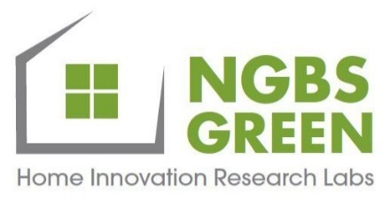 | Crosswalk: NGBS Green and GRESB Real Estate Assessment
Revised April 2023
Introduction
This document shows the overlap between the 2020 NGBS and the 2023 GRESB Real Estate Assessment. This crosswalk provides an outline of the 2023 GRESB Real Estate Assessment indicators that can be met by specific NGBS practices across the four different scoring paths: New Construction, Land Development, Existing Buildings, and Single-Family Certified. This document serves as a guide for those interested in understanding how NGBS Green certification can bolster GRESB scoring and rankings. This Crosswalk ONLY analyzes the "Development" section of the GRESB Real Estate Assessment, as it is the most relevant section to the NGBS Green program.
Tab Overview
NGBS New Construction: shows the specific GRESB indicators that the 2020 NGBS New Construction Practices and NGBS Green+ certifications would fulfill NGBS Land Development: shows the specific GRESB indicators that the NGBS Land Development Certification (stand-alone) would fulfill NGBS Existing Building: shows the specific GRESB indicators that the 2020 NGBS Existing Buildings practices and NGBS Green+ certifications would fulfill NGBS Certified Path: shows the specific GRESB indicators that the NGBS Certified Path fulfills Point Calculator: this tab has 4 different charts for each of the NGBS Green Certifications; it shows the potential GRESB points that can be met for each indicator, if ALL of the NGBS Green practices/ certifications listed in the crosswalk are met. The note tab provides an explanation if the total point maximum is not met for the GRESB indicator Green Certified Products: this tab lists products certified under the 2020 NGBS practices listed in the GRESB Crosswalk; GRESB indicators may be fulfilled by using the corresponding products across the company's portfolio
Key
Column A: applicable GRESB indicators from the "Development" section; all answer options for the indicator are listed Column B: the checkmark icon in this column indicates that there is an alignment between the GRESB indicator and NGBS practice(s) If there is no checkmark icon in Column B, that means there is no NGBS practice that fulfills that GRESB answer option Column C: applicable 2020 NGBS practice or certification NGBS Alignment with indicator: this row shows the percentage of answers in the GRESB indicator that are fulfilled by an NGBS Green practice or NGBS Green+ Certification
Resources
2022 GRESB Real Estate Reference Guide
2023 GRESB Real Estate Reference Guide
2023 GRESB Real Estate Standard List of Changes Summary Table
NGBS Green Land Development Flyer
NGBS Green Good for Investors Flyer
NGBS Green+ Compliance Handbook
NGBS Green Certification & Commissioning
Water Rating Index (WRI) Webpage
All rights reserved. This document is protected by the U.S. copyright law. Home Innovation authorizes the use of this document only by those individuals/ organizations participating in Home Innovation's NGBS Green Program and solely for purpose of seeking NGBS Green certification from the Home Innovation Research Labs.
© Home Innovation Research Labs, Inc., 2022. All rights reserved.

